Sheet1
 | User 1 | User 2 | User 3 | User 4 | User 5 | User 6 | User 7 | User 8 | User 9 | User 10
Movie 1 | 1 | 5 | 0 | 0 | 0 | 0 | 0 | 0 | 0 | 5
Movie 2 | 5 | 3 | 5 | 3 | 5 | 1 | 5 | 3 | 5 | 1
Sum | 5 | 15 | 0 | 0 | 0 | 0 | 0 | 0 | 0 | 5 | 25
Movie 1 (sqrd) | 1 | 25 | 0 | 0 | 0 | 0 | 0 | 0 | 0 | 25 | 51 | 7.1414284285
Movie 2 (sqrd) | 25 | 9 | 25 | 9 | 25 | 1 | 25 | 9 | 25 | 1 | 154 | 12.409673646 | 88.622796164

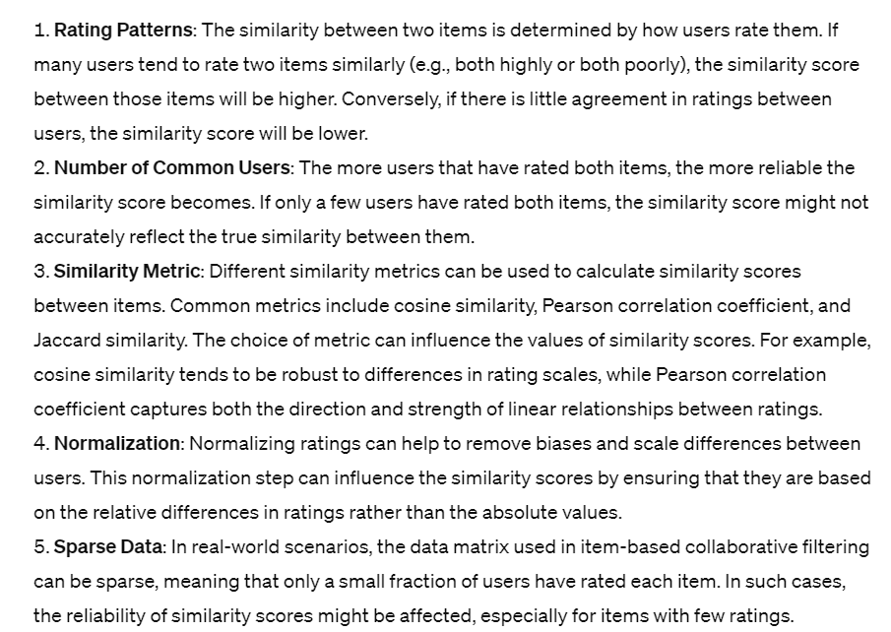
Cosine Similarity Score | 0.28
(Movie 1 vs Movie 2)

